サンプル製品カタログ
DENIM PANTS(SAMPLE) | C/#BLUE | PANTS SASMPLE | 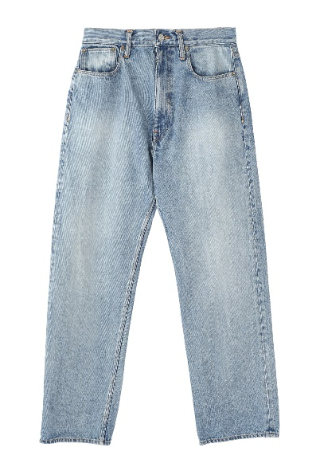 | COTTON 100% | No.2
DENIM JACKET(SAMPLE) | C/#BLACK | JACKET SAMPLE | 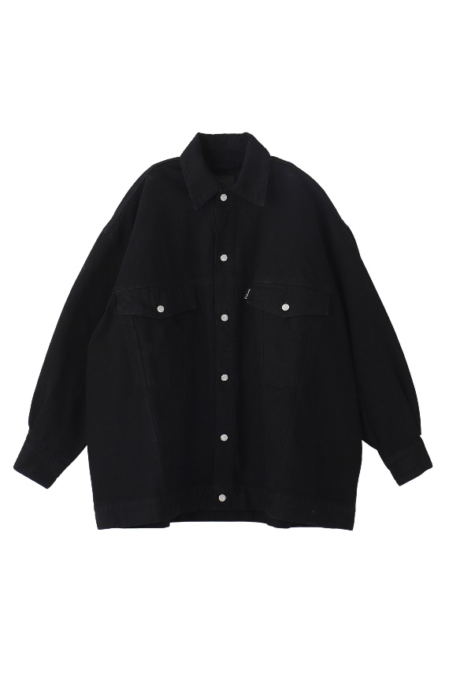 | COTTON 100% | No.2

